continuous 7, minbucket=20,Dcal
forest:
 | train\test | MMRF | IFM | UAMS | GAMER
 | MMRF | 0 | 0 | 0 | 0.112
 | IFM | 0.002 | 0 | 0.754 | 0
 | UAMS | 0.969 | 0.29 | 0 | 0.034
 | GAMER | 0.02 | 0 | 0 | 0

 |  |  |  |  |  | EMC:
coxph: |  |  |  |  |  | coxph:
 | train\test | MMRF | IFM | UAMS | GAMER
 | MMRF | 0.946 | 0.015 | 0.96 | 0 |  | 0.999729838 | 0.015851199 | 0.871615984 | 3.77E-08
 | IFM | 0 | 0.831 | 0.001 | 0 |  | 0.0001689829 | 0.62954202 | 0.003937804 | 1.75E-15
 | UAMS | 0.999 | 0.1 | 0.999 | 0 |  | 0.9893145384 | 0.151391469 | 0.985195517 | 1.08E-11
 | GAMER | 0.637 | 0.001 | 0.032 | 0.61 |  | 0.765349804 | 0.004082479 | 0.115783011 | 4.41E-01

rpart ensemble:
 | train\test | MMRF | IFM | UAMS | GAMER
 | MMRF | 0.979 | 0 | 0.468 | 0
 | IFM | 0 | 0.967 | 0 | 0 |  | minbucket=5: |  |  |  | minbucket=40
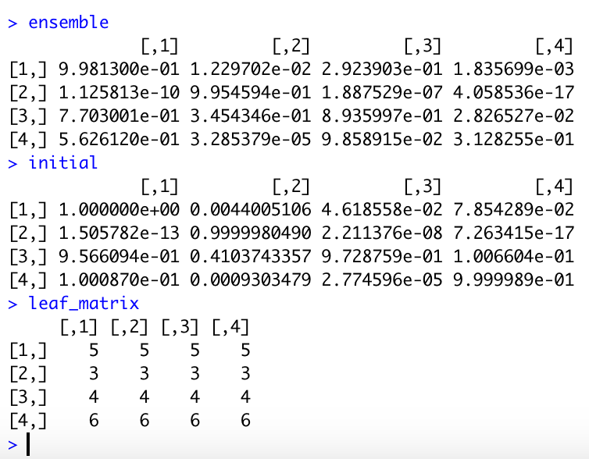
 | UAMS | 0.876 | 0.072 | 0.985 | 0.019
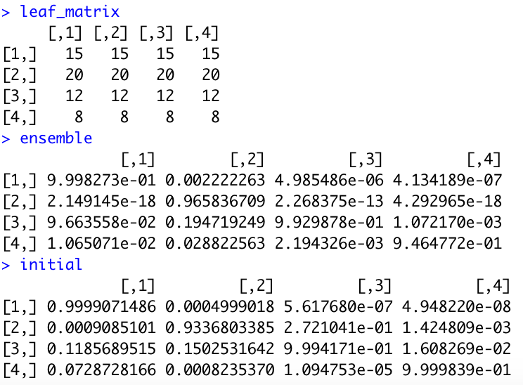
 | GAMER | 0.563 | 0 | 0.099 | 0.313

rpart initial
 | train\test | MMRF | IFM | UAMS | GAMER
 | MMRF | 1 | 0.011 | 0.088 | 0.032
 | IFM | 0 | 1 | 0.002 | 0
 | UAMS | 0.952 | 0.38 | 0.995 | 0.082
 | GAMER | 0.1 | 0.001 | 0 | 1

rpart leaf:
 | train\test | MMRF | IFM | UAMS | GAMER
 | MMRF
 | IFM
 | UAMS
 | GAMER

